Trendline
USING TRENDLINE ON APPL AND KELLOGG RETURNS

Graphing K (y-axis) against AAPL (x-axis) and using Trendline Note that R2 = correlation2
Date | AAPL | K
2018-12-01 | -12.06% | -10.13%
2018-11-01 | -20.34% | -2.83%
2018-10-01 | -3.10% | -6.70%
2018-09-01 | -0.48% | -1.71%
2018-08-01 | 17.92% | 1.06%
2018-07-01 | 2.76% | 1.65%
2018-06-01 | -0.56% | 8.99%
2018-05-01 | 12.29% | 8.91%
2018-04-01 | -1.51% | -9.06%
2018-03-01 | -5.57% | -1.81%
2018-02-01 | 6.19% | -2.84%
2018-01-01 | -1.07% | 0.19%
2017-12-01 | -1.18% | 4.86%
2017-11-01 | 1.65% | 4.30%
2017-10-01 | 9.24% | 0.26%
2017-09-01 | -5.82% | -4.02%
2017-08-01 | 9.77% | -3.81%
2017-07-01 | 3.22% | -2.12%
2017-06-01 | -5.48% | -2.32%
2017-05-01 | 6.15% | 0.84%
2017-04-01 | -0.01% | -2.24%
2017-03-01 | 5.19% | -1.30%
2017-02-01 | 12.12% | 1.85%
2017-01-01 | 4.66% | -1.37%
2016-12-01 | 5.20% | 3.05%
2016-11-01 | -2.70% | -4.26%
2016-10-01 | 0.43% | -3.07%
2016-09-01 | 6.89% | -5.31%
2016-08-01 | 1.80% | -0.61%
2016-07-01 | 8.62% | 1.29%
2016-06-01 | -3.75% | 10.00%
2016-05-01 | 6.32% | -3.23%
2016-04-01 | -15.07% | 0.34%
2016-03-01 | 12.52% | 4.03%
2016-02-01 | -0.67% | 0.79%
2016-01-01 | -7.82% | 1.61%
2015-12-01 | -11.25% | 5.69%
2015-11-01 | -1.01% | -2.51%
2015-10-01 | 8.01% | 5.79%
2015-09-01 | -1.90% | 1.15%
2015-08-01 | -7.16% | 0.17%
2015-07-01 | -3.35% | 5.39%
2015-06-01 | -3.38% | 0.67%
2015-05-01 | 4.02% | -0.89%
2015-04-01 | 0.58% | -3.29%
2015-03-01 | -2.79% | 2.25%
2015-02-01 | 9.21% | -1.69%
2015-01-01 | 5.96% | 0.21%
2014-12-01 | -7.03% | -0.48%
2014-11-01 | 9.64% | 3.52%
2014-10-01 | 6.95% | 3.76%
2014-09-01 | -1.23% | -4.57%
2014-08-01 | 6.97% | 8.24%
2014-07-01 | 2.83% | -9.36%
2014-06-01 | 6.69% | -4.19%
2014-05-01 | 7.02% | 3.17%
2014-04-01 | 9.48% | 7.12%
2014-03-01 | 6.23% | 3.27%
2014-02-01 | 5.00% | 4.57%
2014-01-01 | -11.39% | -5.19%
2013-12-01 | 5.03% | 1.45%
2013-11-01 | 6.19% | -4.21%
2013-10-01 | 9.20% | 7.41%
2013-09-01 | 2.53% | -2.56%
2013-08-01 | 7.39% | -8.72%
2013-07-01 | 13.21% | 3.08%
2013-06-01 | -7.88% | 4.15%
2013-05-01 | 1.56% | -4.71%
2013-04-01 | 0.03% | 0.94%
2013-03-01 | 4.43% | 7.02%
2013-02-01 | -3.14% | 3.36%
2013-01-01 | -15.56% | 4.64%
2012-12-01 | -6.28% | 1.49%
2012-11-01 | -1.70% | 5.83%
2012-10-01 | -11.38% | 1.27%
2012-09-01 | 3.32% | 2.83%
2012-08-01 | 8.54% | 6.00%
2012-07-01 | 4.48% | -3.36%
2012-06-01 | 1.08% | 1.98%
2012-05-01 | -1.08% | -3.60%
2012-04-01 | -2.63% | -5.88%
2012-03-01 | 10.01% | 3.23%
2012-02-01 | 17.25% | 5.56%
2012-01-01 | 11.97% | -2.10%
2011-12-01 | 5.79% | 3.72%
2011-11-01 | -5.74% | -9.78%
2011-10-01 | 5.97% | 1.90%
2011-09-01 | -0.92% | -1.31%
2011-08-01 | -1.46% | -2.65%
2011-07-01 | 15.12% | 0.83%
2011-06-01 | -3.56% | -2.26%
2011-05-01 | -0.66% | -0.49%
2011-04-01 | 0.46% | 5.92%
2011-03-01 | -1.34% | 1.55%
2011-02-01 | 4.01% | 6.28%
2011-01-01 | 5.07% | -1.54%
2010-12-01 | 3.60% | 4.51%
2010-11-01 | 3.32% | -2.07%
2010-10-01 | 5.90% | -0.50%
2010-09-01 | 15.46% | 2.46%
2010-08-01 | -5.66% | -0.74%
2010-07-01 | 2.25% | -0.50%
2010-06-01 | -2.10% | -5.33%
2010-05-01 | -1.63% | -2.79%
2010-04-01 | 10.53% | 2.79%
2010-03-01 | 13.84% | 3.14%
2010-02-01 | 6.33% | -4.26%
2010-01-01 | -9.28% | 2.27%
2009-12-01 | 5.27% | 1.88%
2009-11-01 | 5.88% | 2.00%
2009-10-01 | 1.69% | 4.59%
2009-09-01 | 9.70% | 5.25%
2009-08-01 | 2.91% | -0.87%
2009-07-01 | 13.73% | 1.98%
2009-06-01 | 4.76% | 8.19%
2009-05-01 | 7.63% | 2.67%
2009-04-01 | 17.98% | 13.94%
2009-03-01 | 16.30% | -5.18%
2009-02-01 | -0.91% | -11.56%

Portfolio mean and sigma2
CALCULATING THE MEAN AND STANDARD DEVIATION OF A PORTFOLIO
Asset returns | AAPL | Kellogg
Mean return | 2.44% | 0.48%
Variance | 0.00537 | 0.00206
Standard deviation | 7.33% | 4.54%
Covariance | 0.000852

Proportion of AAPL | 50%

Portfolio mean return | 1.46% | <--=B8*B3+(1-B8)*C3
Portfolio return variance | 0.0023 | <--=B8^2*B4+(1-B8)^2*C4+2*B8*(1-B8)*B6
Portfolio return standard deviation | 4.78% | <--=SQRT(B11)

Data table, varying the proportion of AAPL
 | Portfolio standard deviation | Portfolio mean return
Proportion of AAPL | 4.78% | 1.46% | <-- =B10, data table header
Portfolio E(rp) and σp
-50% | 6.85% | -0.50%
-40% | 6.28% | -0.30%
-30% | 5.74% | -0.11%
-20% | 5.26% | 0.09%
-10% | 4.85% | 0.28%
0% | 4.54% | 0.48%
10% | 4.33% | 0.68%
20% | 4.25% | 0.87%
30% | 4.30% | 1.07%
40% | 4.48% | 1.27%
50% | 4.78% | 1.46%
60% | 5.17% | 1.66%
70% | 5.63% | 1.85%
80% | 6.16% | 2.05%
90% | 6.73% | 2.25%
100% | 7.33% | 2.44%
110% | 7.96% | 2.64%
120% | 8.61% | 2.83%
130% | 9.27% | 3.03%
140% | 9.95% | 3.23%
150% | 10.64% | 3.42%

GMVP 2 stocks
CALCULATING THE GLOBAL MINIMUM VARIANCE PORTFOLIO
Asset returns | AAPL | Kellogg
Mean return | 2.44% | 0.48%
Variance | 0.00537 | 0.00206
Standard deviation | 7.33% | 4.54%
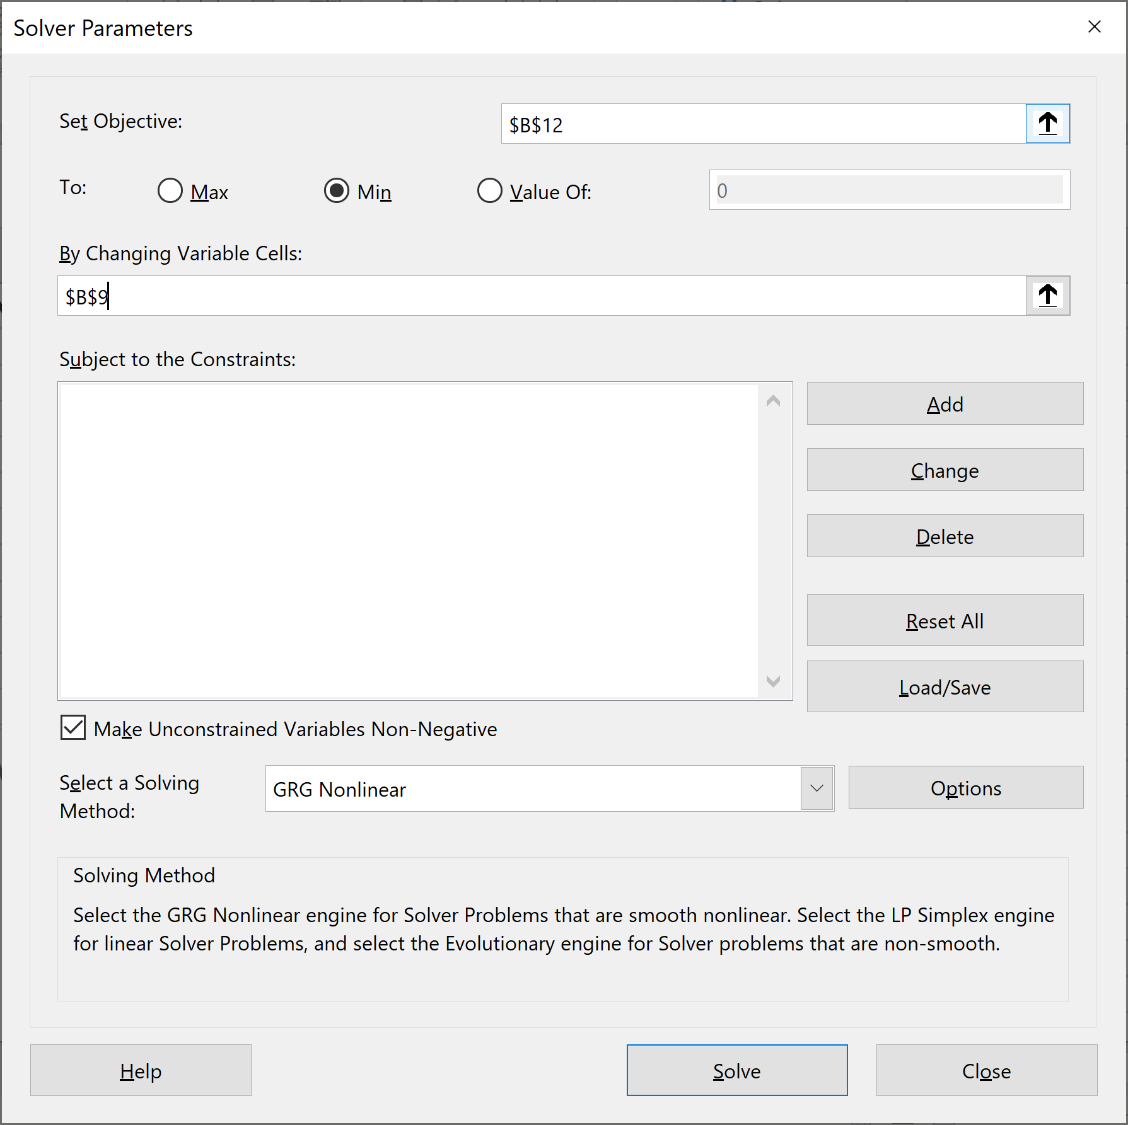
Covariance | 0.000852

The global minimum variance portfolio (GMVP), two approaches
Brute-force approach (using Solver)
Proportion of AAPL | 21.07% | <-- solved using solver
Portfolio mean return | 0.89% | <--=B10*B3+(1-B10)*C3
Portfolio return variance | 0.0018 | <--=B10^2*B4+(1-B10)^2*C4+2*B10*(1-B10)*B6
Portfolio return standard deviation | 4.25% | <--=SQRT(B12)

Math approach
Proportion of AAPL | 21.07% | <--=(C4-B6)/(B4+C4-2*B6)
Portfolio mean return | 0.89% | <--=B16*B3+(1-B16)*C3
Portfolio return variance | 0.0018 | <--=B16^2*B4+(1-B16)^2*C4+2*B16*(1-B16)*B6
Portfolio return standard deviation | 4.25% | <--=SQRT(B18)
The Global Minimum Variance Portfoolio (GMVP)

Data table, varying the proportion of AAPL
 | Portfolio standard deviation | Portfolio mean return
Proportion of AAPL | 4.25% | 0.89% | <-- =B11, data table header
-50% | 6.85% | -0.50%
-40% | 6.28% | -0.30%
-30% | 5.74% | -0.11%
-20% | 5.26% | 0.09%
-10% | 4.85% | 0.28%
0% | 4.54% | 0.48%
10% | 4.33% | 0.68%
20% | 4.25% | 0.87%
30% | 4.30% | 1.07%
40% | 4.48% | 1.27%
50% | 4.78% | 1.46%
60% | 5.17% | 1.66%
70% | 5.63% | 1.85%
80% | 6.16% | 2.05%
90% | 6.73% | 2.25%
100% | 7.33% | 2.44%
110% | 7.96% | 2.64%
120% | 8.61% | 2.83%
130% | 9.27% | 3.03%
140% | 9.95% | 3.23%
150% | 10.64% | 3.42%

Porfolios of 4 assets
A FOUR-ASSET PORTFOLIO PROBLEM
 | Variance-covariance, S |  |  |  |  | Mean returns E(r)
 | Asset 1 | Asset 2 | Asset 3 | Asset 4
Asset 1 | 0.10 | 0.01 | 0.03 | 0.05 |  | 6%
Asset 2 | 0.01 | 0.30 | 0.06 | -0.04 |  | 8%
Asset 3 | 0.03 | 0.06 | 0.40 | 0.02 |  | 10%
Asset 4 | 0.05 | -0.04 | 0.02 | 0.50 |  | 15%

 | Asset 1 | Asset 2 | Asset 3 | Asset 4
Portfolio x | 0.20 | 0.30 | 0.40 | 0.1 | <--=1-SUM(B10:D10)
Portfolio y | 0.20 | 0.10 | 0.10 | 0.6 | <--=1-SUM(B11:D11)

Portfolio x and y statistics: Mean, variance, covariance, correlation
 | Portfolio x | Portfolio y
Mean, E(rp) | 9.10% | 12.00% | <--{=MMULT(B11:E11,G4:G7)}
Variance sp2 | 0.1216 | 0.2034 | <--{=MMULT(MMULT(B11:E11,B4:E7),TRANSPOSE(B11:E11))}
Std-dev sp | 34.87% | 45.10% | <--=SQRT(C16)
Covariance(x,y) | 0.0714 | <--{=MMULT(MMULT(B10:E10,B4:E7),TRANSPOSE(B11:E11))}
Correlation rxy | 0.4540 | <--=B18/(B17*C17)

Calculating returns of combinations of Portfolio x and Portfolio y
Proportion of portfolio x |  | 0.3
Mean portfolio return, E(rp) |  | 11.13% | <-- =C22*B15+(1-C22)*C15
Portfolio variance sp2 |  | 0.1406 | <-- =C22^2*B16+(1-C22)^2*C16+2*C22*(1-C22)*B18
Portfolio std-dev sp |  | 37.50% | <-- =SQRT(C24)

Table of returns (using Data Table)
Proportion of x | Standard deviation | Mean
 | 37.50% | 11.13% | <--=C23, data table header
Portfolio Means and Returns
-0.5 | 61.72% | 13.45%
-0.4 | 58.15% | 13.16%
-0.3 | 54.68% | 12.87%
-0.2 | 51.33% | 12.58%
-0.1 | 48.13% | 12.29%
0.0 | 45.10% | 12.00%
0.1 | 42.29% | 11.71%
0.2 | 39.74% | 11.42%
0.3 | 37.50% | 11.13%
0.4 | 35.63% | 10.84%
0.5 | 34.20% | 10.55%
0.6 | 33.26% | 10.26%
0.7 | 32.84% | 9.97%
0.8 | 32.99% | 9.68%
0.9 | 33.67% | 9.39%
1.0 | 34.87% | 9.10%
1.1 | 36.53% | 8.81%
1.2 | 38.60% | 8.52%
1.3 | 41.00% | 8.23%
1.4 | 43.69% | 7.94%

Porfolios of 4 assets (2)
A FOUR-ASSET PORTFOLIO PROBLEM
 | Variance-covariance, S |  |  |  |  | Mean returns E(r)
 | Asset 1 | Asset 2 | Asset 3 | Asset 4 |  |  | Sigma
Asset 1 | 0.10 | 0.01 | 0.03 | 0.05 |  | 6% | 0.32 | <--=SQRT(B4)
Asset 2 | 0.01 | 0.30 | 0.06 | -0.04 |  | 8% | 0.55 | <--=SQRT(C5)
Asset 3 | 0.03 | 0.06 | 0.40 | 0.02 |  | 10% | 0.63 | <--=SQRT(D6)
Asset 4 | 0.05 | -0.04 | 0.02 | 0.50 |  | 15% | 0.71 | <--=SQRT(E7)

 | Asset 1 | Asset 2 | Asset 3 | Asset 4
Portfolio x | 0.20 | 0.30 | 0.40 | 0.1 | <--=1-SUM(B10:D10)
Portfolio y | 0.20 | 0.10 | 0.10 | 0.6 | <--=1-SUM(B11:D11)

Portfolio x and y statistics: Mean, variance, covariance, correlation
 | Portfolio x | Portfolio y
Mean, E(rp) | 9.10% | 12.00% | <--{=MMULT(B11:E11,G4:G7)}
Variance sp2 | 0.1216 | 0.2034 | <--{=MMULT(MMULT(B11:E11,B4:E7),TRANSPOSE(B11:E11))}
Std-dev sp | 34.87% | 45.10% | <--=SQRT(C16)
Covariance(x,y) | 0.0714 | <--{=MMULT(MMULT(B10:E10,B4:E7),TRANSPOSE(B11:E11))}
Correlation rxy | 0.4540 | <--=B18/(B17*C17)

Calculating returns of combinations of Portfolio x and Portfolio y
Proportion of portfolio x |  | 0.3
Mean portfolio return, E(rp) |  | 11.13% | <-- =C22*B15+(1-C22)*C15
Portfolio variance sp2 |  | 0.1406 | <-- =C22^2*B16+(1-C22)^2*C16+2*C22*(1-C22)*B18
Portfolio std-dev sp |  | 37.50% | <-- =SQRT(C24)

Table of returns (using Data Table)
Proportion of x | Standard deviation | Mean
 | 37.50% | 11.13% | <--=C23, data table header
Portfolios x and y are not efficient note that asset 1 and asset 4 are out of the convex combination of x and y
-1.00 | 80.60% | 14.90%
-0.85 | 74.80% | 14.47%
-0.70 | 69.10% | 14.03%
-0.55 | 63.54% | 13.59%
-0.40 | 58.15% | 13.16%
-0.25 | 52.99% | 12.73%
-0.10 | 48.13% | 12.29%
0.05 | 43.66% | 11.86%
0.20 | 39.74% | 11.42%
0.35 | 36.51% | 10.99%
0.50 | 34.20% | 10.55%
0.65 | 32.98% | 10.12%
0.80 | 32.99% | 9.68%
0.95 | 34.21% | 9.25%
1.10 | 36.53% | 8.81%
1.25 | 39.76% | 8.38%
1.40 | 43.69% | 7.94%
1.55 | 48.16% | 7.51%
1.70 | 53.02% | 7.07%
1.85 | 58.19% | 6.64%

